mapa calor
Retenção Mensal
 | Jan | Fev | Mar | Abril | Maio | Jun | Jul | Ago | Set | Out | Nov | Dez | Jan | Fev | MAr | Abril | Maio | Jun | Jul | Ago | Set | Out | Nov | Dez
 | 100.00% | 100.00% | 90.91% | 90.91% | 90.91% | 90.91% | 90.91% | 81.82% | 72.73% | 72.73% | 72.73% | 72.73% | 72.73% | 72.73% | 72.73% | 72.73% | 72.73% | 72.73% | 72.73% | 72.73% | 63.64% | 63.64% | 63.64% | 63.64%
 | 100.00% | 100.00% | 92.31% | 84.62% | 76.92% | 76.92% | 76.92% | 76.92% | 69.23% | 61.54% | 61.54% | 61.54% | 61.54% | 61.54% | 61.54% | 61.54% | 61.54% | 61.54% | 61.54% | 61.54% | 61.54% | 61.54% | 61.54%
 | 100.00% | 100.00% | 100.00% | 100.00% | 100.00% | 100.00% | 92.31% | 84.62% | 84.62% | 84.62% | 84.62% | 84.62% | 76.92% | 76.92% | 53.85% | 46.15% | 46.15% | 46.15% | 38.46% | 30.77% | 30.77% | 30.77%
 | 100.00% | 100.00% | 93.33% | 93.33% | 86.67% | 80.00% | 80.00% | 73.33% | 73.33% | 60.00% | 60.00% | 60.00% | 46.67% | 46.67% | 46.67% | 46.67% | 46.67% | 46.67% | 46.67% | 46.67% | 46.67%
 | 100.00% | 100.00% | 100.00% | 92.31% | 84.62% | 76.92% | 76.92% | 76.92% | 76.92% | 69.23% | 69.23% | 69.23% | 61.54% | 61.54% | 46.15% | 46.15% | 46.15% | 46.15% | 46.15% | 46.15%
 | 100.00% | 100.00% | 100.00% | 90.91% | 90.91% | 90.91% | 81.82% | 81.82% | 72.73% | 72.73% | 72.73% | 72.73% | 72.73% | 72.73% | 72.73% | 63.64% | 63.64% | 63.64% | 54.55%
 | 100.00% | 100.00% | 100.00% | 100.00% | 100.00% | 100.00% | 90.91% | 72.73% | 72.73% | 72.73% | 63.64% | 63.64% | 63.64% | 54.55% | 54.55% | 54.55% | 45.45% | 45.45%
 | 100.00% | 75.00% | 75.00% | 75.00% | 75.00% | 75.00% | 75.00% | 75.00% | 75.00% | 75.00% | 75.00% | 75.00% | 75.00% | 75.00% | 75.00% | 75.00% | 75.00%
 | 100.00% | 100.00% | 87.50% | 87.50% | 75.00% | 75.00% | 75.00% | 75.00% | 75.00% | 75.00% | 75.00% | 75.00% | 50.00% | 50.00% | 50.00% | 50.00%
 | 100.00% | 100.00% | 100.00% | 100.00% | 100.00% | 93.33% | 93.33% | 93.33% | 93.33% | 86.67% | 86.67% | 86.67% | 80.00% | 73.33% | 73.33%
 | 100.00% | 100.00% | 100.00% | 100.00% | 100.00% | 92.31% | 76.92% | 76.92% | 76.92% | 76.92% | 76.92% | 76.92% | 76.92% | 69.23%
Taxa de Retenção Mensal X Taxa de Rotatividade Mensal
 | 100.00% | 100.00% | 100.00% | 100.00% | 100.00% | 100.00% | 100.00% | 100.00% | 100.00% | 100.00% | 100.00% | 100.00% | 100.00%
 | 100.00% | 100.00% | 100.00% | 100.00% | 100.00% | 90.48% | 90.48% | 90.48% | 85.71% | 80.95% | 76.19% | 66.67%
 | 100.00% | 90.91% | 90.91% | 90.91% | 90.91% | 90.91% | 90.91% | 90.91% | 90.91% | 90.91% | 81.82%
 | 100.00% | 100.00% | 100.00% | 72.73% | 72.73% | 54.55% | 45.45% | 45.45% | 45.45% | 45.45%
 | 100.00% | 100.00% | 93.75% | 93.75% | 93.75% | 87.50% | 87.50% | 87.50% | 87.50%
 | 100.00% | 96.00% | 96.00% | 92.00% | 76.00% | 68.00% | 64.00% | 64.00%
 | 100.00% | 100.00% | 100.00% | 90.91% | 90.91% | 86.36% | 72.73%
 | 100.00% | 100.00% | 95.24% | 95.24% | 85.71% | 85.71%
 | 100.00% | 100.00% | 100.00% | 92.59% | 81.48%
 | 100.00% | 100.00% | 100.00% | 100.00%
 | 100.00% | 100.00% | 100.00%
 | 100.00% | 100.00%
 | 100.00%
 | 100.00% | 98.34% | 96.13% | 92.51% | 88.58% | 84.99% | 81.17% | 79.22% | 78.26% | 74.96% | 75.43% | 74.21% | 69.81% | 64.93% | 60.65% | 57.38% | 57.17% | 54.62% | 53.35% | 51.57% | 50.65% | 51.98% | 62.59% | 63.64%

Total geral versus Mes Registro
 | Mês 1 | Mês 2 | Mês 3 | Mês 4 | Mês 5 | Mês 6 | Mês 7 | Mês 8 | Mês 9 | Mês 10 | Mês 11 | Mês 12 | Mês 13 | Mês 14 | Mês 15 | Mês 16 | Mês 17 | Mês 18 | Mês 19 | Mês 20 | Mês 21 | Mês 22 | Mês 23 | Mês 24
 | 0.00% | 1.66% | 3.87% | 7.49% | 11.42% | 15.01% | 18.83% | 20.78% | 21.74% | 25.04% | 24.57% | 25.79% | 30.19% | 35.07% | 39.35% | 42.62% | 42.83% | 45.38% | 46.65% | 48.43% | 49.35% | 48.02% | 37.41% | 36.36%

Mapa Calor Trimestral
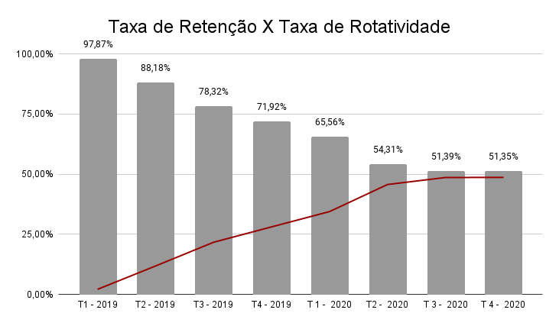
Retenção Trimestral
Mes Registro - Ano-trimestre | Clientes por mês | T1 - 2019 | T2 - 2019 | T3 - 2019 | T4 - 2019 | T 1 - 2020 | T2 - 2020 | T 3 - 2020 | T 4 - 2020
2019-Q1 | 37 | 97.30% | 89.19% | 81.08% | 72.97% | 70.27% | 59.46% | 54.05% | 51.35%
2019-Q2 | 39 | 97.44% | 84.62% | 76.92% | 66.67% | 58.97% | 51.28% | 48.72%
2019-Q3 | 23 | 95.65% | 91.30% | 73.91% | 69.57% | 56.52% | 52.17%
2019-Q4 | 34 | 100.00% | 97.06% | 88.24% | 85.29% | 76.47%
2020-Q1 | 43 | 97.67% | 86.05% | 76.74% | 65.12%
2020-Q2 | 63 | 96.83% | 84.13% | 73.02%
2020-Q3 | 53 | 98.11% | 84.91%
2020-Q4 | 38 | 100.00%
Total geral | 330 | 97.87% | 88.18% | 78.32% | 71.92% | 65.56% | 54.31% | 51.39% | 51.35%

 | dif entre 2 tri | 0.00% | 9.70% | 9.86% | 6.40% | 6.36% | 11.25% | 2.92% | 0.03%

Rotatividade Trimestral
Mes Registro - Ano-trimestre | Clientes por mês | T1 - 2019 | T2 - 2019 | T3 - 2019 | T4 - 2019 | T 1 - 2020 | T2 - 2020 | T 3 - 2020 | T 4 - 2020
2019-Q1 | 37 | 2.70% | 10.81% | 18.92% | 27.03% | 29.73% | 40.54% | 45.95% | 48.65%
2019-Q2 | 39 | 2.56% | 15.38% | 23.08% | 33.33% | 41.03% | 48.72% | 51.28%
2019-Q3 | 23 | 4.35% | 8.70% | 26.09% | 30.43% | 43.48% | 47.83%
2019-Q4 | 34 | 0.00% | 2.94% | 11.76% | 14.71% | 23.53%
2020-Q1 | 43 | 2.33% | 13.95% | 23.26% | 34.88%
2020-Q2 | 63 | 3.17% | 15.87% | 26.98%
2020-Q3 | 53 | 1.89% | 15.09%
2020-Q4 | 38 | 0.00%
Total geral | 330 | 2.13% | 11.82% | 21.68% | 28.08% | 34.44% | 45.69% | 48.61% | 48.65%

